Sheet1
Component | Amount | Ind Price | Price | Total | Weight (g) | Link
Motor | 4 | 0 | 0 | 1161.06 | 21.2 | https://hobbyking.com/en_us/brushed-motor-4-pcs-per-set.html?queryID=001191b567772c1bde66302cd4100a57&objectID=58351&indexName=hbk_live_products_analytics&___store=en_us
Frame | 1 | 0 | 0 |  |  | https://www.rcworld.co.za/product_details.php?proid=298
Mosfets | 4 | 2.3 | 9.2 |  |  | https://flyingrobot.co/collections/speed-controllers/products/flycolor-raptor-bls-pro-blheli_s-30a-2-4s-dshot-brushless-esc
Flight Controller | 1 | 422.5 | 422.5 |  |  | https://www.rcworld.co.za/product_details.php?proid=1357
Battery | 1 | 288.36 | 288.36 |  |  | https://www.rcworld.co.za/product_details.php?proid=308
Receiver | 1 | 280 | 280 |  |  | https://www.goblinhobbies.co.za/fpv/receiver/frsky-xm-sbus-mini-receiver.html
Camera | 1 | 0 | 0 |  | 1.6 | https://store.bitcraze.io/collections/decks/products/flow-deck-v2

 |  |  |  |  |  |  |  |  |  | Choices based on stock availability

for ardupilot
168Mhz and 1MB is minimum on mC

100mm 1s drone | weight | maybe
motors |  | 11 |  | https://micro-motor-warehouse.com/collections/all-motors/products/cl-0716-17 | . |  |  |  |  |  |  | FC requirements
frame | 28 | 10 | 11 | https://www.rcworld.co.za/product_details.php?proid=292 | https://flyingrobot.co/collections/frames-1/products/beta95x-v3-frame-kit | https://www.rcworld.co.za/product_details.php?proid=298 | . |  |  |  |  | Support ardupilot
fc | 5 | 11 | 7 | https://www.rcworld.co.za/product_details.php?proid=1357 | . |  |  |  |  |  |  | 168Mhz and 1MB
receiver | 3 | 1 |  | https://www.rcworld.co.za/product_details.php?proid=1384 | . |  |  |  |  |  |  | aka STM32F4
camera | 2 | 1.6 |  |  | . |  |  |  |  |  |  | 1S battery
battery | 0 | 14 |  | https://www.rcworld.co.za/product_details.php?proid=198 | . |  |  |  |  |  |  | SPI and I2C because flowdeck needs both
props | 5 | 56 | 13 | https://flyingrobot.co/collections/3inch-propellers/products/hq-durable-prop-t65mm-5cw-5ccw-poly-carbonate | . |  |  |  |  |  |  | cheap
wires+misc | 5
total | 48

150mm drone | weight | maybe
motors |  | 20 |  | https://micro-motor-warehouse.com/products/cl-0820-15 | .
frame | 40 | 35 |  | https://www.rcworld.co.za/product_details.php?proid=1174 | . | https://flyingrobot.co/collections/frames-1/products/tbs-source-podracer-5 | .
fc | 5 |  |  |  | .
receiver | 3 |  |  |  | .
camera | 2 |  |  |  | .
battery | 0 |  |  |  | .
props | 10 | 8 |  | https://flyingrobot.co/collections/4inch-propellers/products/hqprop-t4x2x3-2cw-2ccw-poly-carbonate-grey | .
wires+misc | 10
total | 70

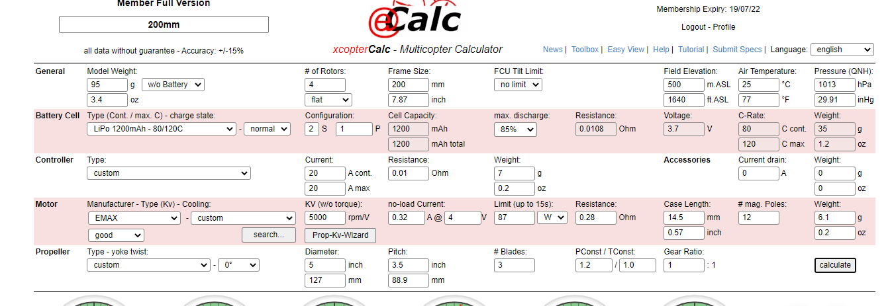
200mm drone | weight | maybe
motors |  | 6.1*4 |  |  | .
frame | 47 | 59 |  | https://www.rcworld.co.za/product_details.php?proid=1356 | . | https://flyingrobot.co/collections/frames-1/products/tbs-source-podracer-5 | .
fc | 5 |  |  |  | .
receiver | 3 |  |  |  | .
camera | 2 |  |  |  | .
battery | 0 |  |  |  | .
props | 15 | 14.8 |  | https://flyingrobot.co/collections/6inch-propellers/products/ethix-k2-bubble-gum-2cw-2ccw-poly-carbonate | .
esc |  | 7x4 |  | https://www.rcworld.co.za/product_details.php?proid=1233 | .
wires+misc | 20
total | 92

Quad or Hexa

El cheapo hex | weight | maybe |  | main |  | alt
motors | 17.5 | 30 or 17.5 | 5 or 2.9 |  | .
frame | 32 | 50 | 62 | https://www.banggood.com/Flywoo-Firefly-Hex-Nano-90mm-GOKU-F4-13A-ESC-4S-1_6-Inch-Hexacopter-Micro-FPV-Racing-Drone-BNF-NO-GPS-Version-w-or-5_8G-450mW-VTX-Caddx-ANT-1200TVL-Camera-p-1843909.html?utm_source=googleshopping&utm_medium=cpc_organic&gmcCountry=ZA&utm_content=minha&utm_campaign=minha-za-en-pc&currency=ZAR&cur_warehouse=CN&createTmp=1&ID=567059&utm_source=googleshopping&utm_medium=cpc_bgs&utm_content=sandra&utm_campaign=sandra-ssc-za-all-newcustom-nca95-0507&ad_id=434436833469&gclid=Cj0KCQjwjo2JBhCRARIsAFG667W96AT7cmI0N5dDc9pFc2Tlc_ZZU7eu342V8xSvw8J9DoORYoczFj0aAmOOEALw_wcB | . | https://www.banggood.com/Flywoo-HEXplorer-LR-4-Hexa-copter-HD-or-Analog-Version-3mm-Arm-Thickness-Carbon-Fiber-Frame-Kit-for-FPV-Racing-RC-Drone-p-1805738.html?utm_source=googleshopping&utm_medium=cpc_organic&gmcCountry=ZA&utm_content=minha&utm_campaign=minha-za-en-pc&currency=ZAR&cur_warehouse=CN&createTmp=1&ID=6301323&utm_source=googleshopping&utm_medium=cpc_bgs&utm_content=sandra&utm_campaign=sandra-ssc-za-all-newcustom-nca95-0507&ad_id=434436833469&gclid=Cj0KCQjwjo2JBhCRARIsAFG667W9p6DPMYiEUAWuK1oM4r6yTDo59fADPcPntoJpPoVM0Fe6NktBml4aAjamEALw_wcB | .
fc | 8 | 11 |  | https://www.banggood.com/Omnibus-F4SD-32K-Betaflight_3_2_0-STM32-F405-Flight-Controller-OSD-5V-3A-BEC-30_5X30_5mm-p-1211677.html?cur_warehouse=CN&rmmds=search | https://www.goblinhobbies.co.za/fpv/controller/xrotor-flight-controller-f4-g3-w-osd-for-fpv-racing.html | http://replacementparts-skyrockettoys-com.3dcartstores.com/2018-Fury-Flight-Board-motor-combo_p_158.html | .
receiver | 3 | 10 |  | https://www.rcworld.co.za/product_details.php?proid=1384 | . | https://flyingrobot.co/collections/rx/products/frsky-xm-receiver | . |  |  |  | component choice table
camera | 2 | 1.6 |  |  | . |  |  |  |  |  | add all trials and tribulations into report
battery |  | 15 |  | 450mah 35/50c | .
props | 6 | 10 |  | https://flyingrobot.co/collections/3inch-propellers/products/hq-durable-prop-t65mm-5cw-5ccw-poly-carbonate | .
esc\mosfet board | 2 | 2 |  | https://www.flyingtech.co.uk/electronics/brushed-mosfet-motor-driver-board-pdb-micro-drone | . |  |  | arduino nano 8g
Arduino + transceiver | 11 | 8+3 |  | https://www.robotics.org.za/ESP-01?search=transceiv | .
wires+misc | 5 | 5 |  | https://www.botshop.co.za/product/dc-dc-step-up-converter-3v-to-5v/?utm_source=Google%20Shopping&utm_campaign=Bot%20Shop%20Shopping%20Ads&utm_medium=cpc&utm_term=29360&gclid=Cj0KCQjwvO2IBhCzARIsALw3ASqKYd90jp0aLaTWQMtoFxqqkgj6cnpc49soLk9IOGljNraHSczdYe0aAhtLEALw_wcB | .
total | 86.5 |  |  |  |  |  |  |  |  |  | eportfolio

El cheapo quad | weight | maybe |  | main |  | alt
motors | 12 | 20 or 12 | 6.1*4=24.4 |  | . | https://flyingrobot.co/collections/brushless-motors/products/f1303-kv5000-1pc-set | .
frame | 28 | 10 |  | https://www.rcworld.co.za/product_details.php?proid=292 | https://flyingrobot.co/collections/frames-1/products/beta95x-v3-frame-kit | https://www.rcworld.co.za/product_details.php?proid=298 | .
fc | 8 | 11 |  | https://www.banggood.com/Omnibus-F4SD-32K-Betaflight_3_2_0-STM32-F405-Flight-Controller-OSD-5V-3A-BEC-30_5X30_5mm-p-1211677.html?cur_warehouse=CN&rmmds=search | https://www.goblinhobbies.co.za/fpv/controller/xrotor-flight-controller-f4-g3-w-osd-for-fpv-racing.html | http://replacementparts-skyrockettoys-com.3dcartstores.com/2018-Fury-Flight-Board-motor-combo_p_158.html | .
receiver | 3 | 10 |  | https://www.rcworld.co.za/product_details.php?proid=1384 | . | https://flyingrobot.co/collections/rx/products/frsky-xm-receiver | .
camera | 2 | 1.6 |  |  | . |  |  |  | no bueno
battery |  | 15 |  | 450mah 35/50c | .
props | 4 | 6 |  | https://flyingrobot.co/collections/3inch-propellers/products/hq-durable-prop-t65mm-5cw-5ccw-poly-carbonate | .
esc\mosfet board | 2 | 2 | 7x4=28 | https://www.flyingtech.co.uk/electronics/brushed-mosfet-motor-driver-board-pdb-micro-drone | . | https://www.rcworld.co.za/product_details.php?proid=1233 | .
Arduino + transceiver | 11 | 8+3 |  | https://www.robotics.org.za/ESP-01?search=transceiv | .
wires+misc | 5 | 5 |  | https://www.botshop.co.za/product/dc-dc-step-up-converter-3v-to-5v/?utm_source=Google%20Shopping&utm_campaign=Bot%20Shop%20Shopping%20Ads&utm_medium=cpc&utm_term=29360&gclid=Cj0KCQjwvO2IBhCzARIsALw3ASqKYd90jp0aLaTWQMtoFxqqkgj6cnpc49soLk9IOGljNraHSczdYe0aAhtLEALw_wcB | .
total | 75

El cheapo quad brushless | weight | maybe |  | main |  | alt
motors | 28 | 20 or 12 | 6.1*4=24.4 |  | . | https://flyingrobot.co/collections/brushless-motors/products/f1303-kv5000-1pc-set | .
frame | 10 | 10 |  | https://www.rcworld.co.za/product_details.php?proid=292 | https://flyingrobot.co/collections/frames-1/products/beta95x-v3-frame-kit | https://www.rcworld.co.za/product_details.php?proid=298 | .
fc | 8 | 11 |  | https://www.banggood.com/Omnibus-F4SD-32K-Betaflight_3_2_0-STM32-F405-Flight-Controller-OSD-5V-3A-BEC-30_5X30_5mm-p-1211677.html?cur_warehouse=CN&rmmds=search | https://www.goblinhobbies.co.za/fpv/controller/xrotor-flight-controller-f4-g3-w-osd-for-fpv-racing.html | http://replacementparts-skyrockettoys-com.3dcartstores.com/2018-Fury-Flight-Board-motor-combo_p_158.html | .
receiver | 3 | 10 |  | https://www.rcworld.co.za/product_details.php?proid=1384 | . | https://flyingrobot.co/collections/rx/products/frsky-xm-receiver | .
camera | 2 | 1.6 |  |  | .
battery |  | 15 |  | 450mah 35/50c | .
props | 4 | 6 |  | https://flyingrobot.co/collections/3inch-propellers/products/hq-durable-prop-t65mm-5cw-5ccw-poly-carbonate | .
esc\mosfet board | 28 | 2 | 7x4=28 | https://www.flyingtech.co.uk/electronics/brushed-mosfet-motor-driver-board-pdb-micro-drone | . | https://www.rcworld.co.za/product_details.php?proid=1233 | .
Arduino + transceiver | 11 | 8+3 |  | https://www.robotics.org.za/ESP-01?search=transceiv | .
wires+misc | 5 | 5 |  | https://www.botshop.co.za/product/dc-dc-step-up-converter-3v-to-5v/?utm_source=Google%20Shopping&utm_campaign=Bot%20Shop%20Shopping%20Ads&utm_medium=cpc&utm_term=29360&gclid=Cj0KCQjwvO2IBhCzARIsALw3ASqKYd90jp0aLaTWQMtoFxqqkgj6cnpc49soLk9IOGljNraHSczdYe0aAhtLEALw_wcB | .
total | 99

Big money hex | weight | maybe | alt | main |  | alt
motors | 17.5 | 30 or 17.5 | 6.1*6 |  | . | https://flyingrobot.co/collections/brushless-motors/products/f1303-kv5000-1pc-set | .
frame | 32 | 50 | 62 | https://www.banggood.com/Flywoo-Firefly-Hex-Nano-90mm-GOKU-F4-13A-ESC-4S-1_6-Inch-Hexacopter-Micro-FPV-Racing-Drone-BNF-NO-GPS-Version-w-or-5_8G-450mW-VTX-Caddx-ANT-1200TVL-Camera-p-1843909.html?utm_source=googleshopping&utm_medium=cpc_organic&gmcCountry=ZA&utm_content=minha&utm_campaign=minha-za-en-pc&currency=ZAR&cur_warehouse=CN&createTmp=1&ID=567059&utm_source=googleshopping&utm_medium=cpc_bgs&utm_content=sandra&utm_campaign=sandra-ssc-za-all-newcustom-nca95-0507&ad_id=434436833469&gclid=Cj0KCQjwjo2JBhCRARIsAFG667W96AT7cmI0N5dDc9pFc2Tlc_ZZU7eu342V8xSvw8J9DoORYoczFj0aAmOOEALw_wcB | . | https://www.banggood.com/Flywoo-HEXplorer-LR-4-Hexa-copter-HD-or-Analog-Version-3mm-Arm-Thickness-Carbon-Fiber-Frame-Kit-for-FPV-Racing-RC-Drone-p-1805738.html?utm_source=googleshopping&utm_medium=cpc_organic&gmcCountry=ZA&utm_content=minha&utm_campaign=minha-za-en-pc&currency=ZAR&cur_warehouse=CN&createTmp=1&ID=6301323&utm_source=googleshopping&utm_medium=cpc_bgs&utm_content=sandra&utm_campaign=sandra-ssc-za-all-newcustom-nca95-0507&ad_id=434436833469&gclid=Cj0KCQjwjo2JBhCRARIsAFG667W9p6DPMYiEUAWuK1oM4r6yTDo59fADPcPntoJpPoVM0Fe6NktBml4aAjamEALw_wcB | .
fc | 11 | 10.5 |  | https://store.mrobotics.io/mRo-PixRacer-R15-Official-p/m10023a.htm | https://opwiki.readthedocs.io/en/latest/user_manual/revo/revo.html | https://www.banggood.com/de/Radiolink-Mini-PIX-F4-Flight-Controller-MPU6500-w-or-M8N-GPS-UBX-M8030-For-RC-Drone-FPV-Racing-p-1240423.html?imageAb=1&cur_warehouse=CN&akmClientCountry=ZA | .
receiver | 3 | 10 |  | https://www.rcworld.co.za/product_details.php?proid=1384 | . | https://flyingrobot.co/collections/rx/products/frsky-xm-receiver | .
camera | 2 | 1.6 |  |  | .
battery |  | 15 |  | 450mah 35/50c | .
props | 6 | 6 | 1*6 | https://flyingrobot.co/collections/3inch-propellers/products/hq-durable-prop-t65mm-5cw-5ccw-poly-carbonate | .
esc\mosfet board | 2 | 7x4=28 | 2 | https://www.flyingtech.co.uk/electronics/brushed-mosfet-motor-driver-board-pdb-micro-drone | .
wires+misc | 8 |  |  | https://www.botshop.co.za/product/dc-dc-step-up-converter-3v-to-5v/?utm_source=Google%20Shopping&utm_campaign=Bot%20Shop%20Shopping%20Ads&utm_medium=cpc&utm_term=29360&gclid=Cj0KCQjwvO2IBhCzARIsALw3ASqKYd90jp0aLaTWQMtoFxqqkgj6cnpc49soLk9IOGljNraHSczdYe0aAhtLEALw_wcB | .
total | 81.5

Big money quad | weight | maybe | alt | main |  | alt
motors | 12 | 20 or 12 | 6.1*4=24.4 |  | . | https://flyingrobot.co/collections/brushless-motors/products/f1303-kv5000-1pc-set | .
frame | 28 | 10 |  | https://www.rcworld.co.za/product_details.php?proid=292 | https://flyingrobot.co/collections/frames-1/products/beta95x-v3-frame-kit | https://www.rcworld.co.za/product_details.php?proid=298 | .
fc | 11 | 10.5 |  | https://store.mrobotics.io/mRo-PixRacer-R15-Official-p/m10023a.htm | https://opwiki.readthedocs.io/en/latest/user_manual/revo/revo.html | https://www.banggood.com/de/Radiolink-Mini-PIX-F4-Flight-Controller-MPU6500-w-or-M8N-GPS-UBX-M8030-For-RC-Drone-FPV-Racing-p-1240423.html?imageAb=1&cur_warehouse=CN&akmClientCountry=ZA | .
receiver | 3 | 10 |  | https://www.rcworld.co.za/product_details.php?proid=1384 | . | https://flyingrobot.co/collections/rx/products/frsky-xm-receiver | .
camera | 2 | 1.6 |  |  | .
battery |  | 15 |  | 450mah 35/50c | .
props | 4 | 6 | 1*6 | https://flyingrobot.co/collections/3inch-propellers/products/hq-durable-prop-t65mm-5cw-5ccw-poly-carbonate | .
esc\mosfet board | 2 | 7x4=28 | 2 | https://www.flyingtech.co.uk/electronics/brushed-mosfet-motor-driver-board-pdb-micro-drone | . | https://www.rcworld.co.za/product_details.php?proid=1233 | .
wires+misc | 5 | 5 |  | https://www.botshop.co.za/product/dc-dc-step-up-converter-3v-to-5v/?utm_source=Google%20Shopping&utm_campaign=Bot%20Shop%20Shopping%20Ads&utm_medium=cpc&utm_term=29360&gclid=Cj0KCQjwvO2IBhCzARIsALw3ASqKYd90jp0aLaTWQMtoFxqqkgj6cnpc49soLk9IOGljNraHSczdYe0aAhtLEALw_wcB | .
total | 67

Big money quad brushless | weight | maybe | alt | main |  | alt
motors | 28 | 20 or 12 | 7*4=28 |  | . | https://flyingrobot.co/collections/brushless-motors/products/f1303-kv5000-1pc-set | .
frame | 28 | 10 |  | https://www.rcworld.co.za/product_details.php?proid=292 | https://flyingrobot.co/collections/frames-1/products/beta95x-v3-frame-kit | https://www.rcworld.co.za/product_details.php?proid=298 | .
fc | 11 | 10.5 |  | https://store.mrobotics.io/mRo-PixRacer-R15-Official-p/m10023a.htm | https://opwiki.readthedocs.io/en/latest/user_manual/revo/revo.html | https://www.banggood.com/de/Radiolink-Mini-PIX-F4-Flight-Controller-MPU6500-w-or-M8N-GPS-UBX-M8030-For-RC-Drone-FPV-Racing-p-1240423.html?imageAb=1&cur_warehouse=CN&akmClientCountry=ZA | .
receiver | 3 | 10 |  | https://www.rcworld.co.za/product_details.php?proid=1384 | . | https://flyingrobot.co/collections/rx/products/frsky-xm-receiver | .
camera | 2 | 1.6 |  |  | .
battery |  | 15 |  | 450mah 35/50c | .
props | 4 | 6 | 1*6 | https://flyingrobot.co/collections/3inch-propellers/products/hq-durable-prop-t65mm-5cw-5ccw-poly-carbonate | .
esc\mosfet board | 28 | 7x4=28 | 2 | https://www.flyingtech.co.uk/electronics/brushed-mosfet-motor-driver-board-pdb-micro-drone | . | https://www.rcworld.co.za/product_details.php?proid=1233 | .
wires+misc | 5 | 5 |  | https://www.botshop.co.za/product/dc-dc-step-up-converter-3v-to-5v/?utm_source=Google%20Shopping&utm_campaign=Bot%20Shop%20Shopping%20Ads&utm_medium=cpc&utm_term=29360&gclid=Cj0KCQjwvO2IBhCzARIsALw3ASqKYd90jp0aLaTWQMtoFxqqkgj6cnpc49soLk9IOGljNraHSczdYe0aAhtLEALw_wcB | .
total | 109

Sheet2
Quad or Hexa
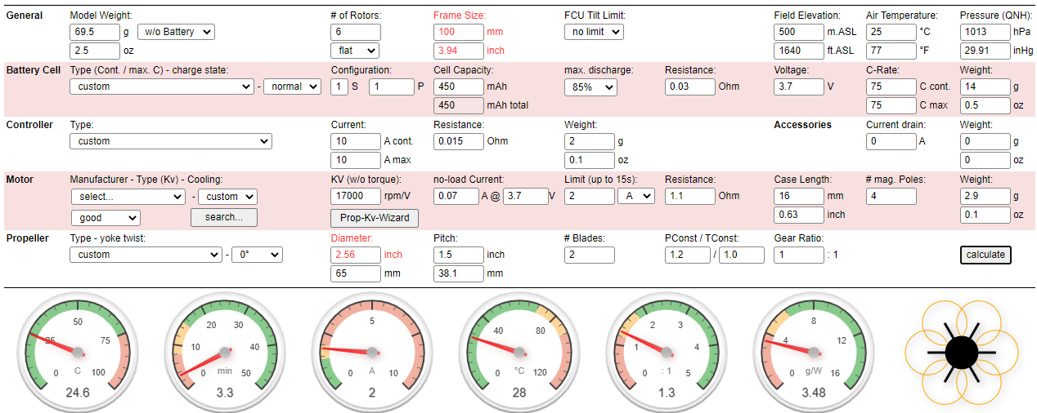
El Cheapo Hex | Weight | Price | Complexity | Link |  | Performance
Motors | 17.5 |  |  | Motor |  | Hover Throttle | All-up Weight | Efficiency@Max | Hover time | Bat Load | Thrust-Weight | Specific Thrust
Frame | 15 | 105 |  | Rod |  | 76% | 84g | 30% | 3.3min | 25C | 1.3:1 | 3.48 g/W
FC | 8 | 500 |  | FC
Receiver | 3 | 300 |  | Rec
Flow Deck | 2 |  |  | Flow
Battery |  | 173 |  | Bat
Props | 6 | 110 |  | Prop
ESC\Mosfet Board | 2 | 180 |  | Mos
Arduino + Transceiver | 11 | 45 |  | Telem
Wires + Misc | 5 | 31 |  | 5V
Total | 69.5 | 1444 | 45/50
Including Battery | 83.5

El Cheapo Quad | Weight | Price | Complexity | Link |  | doesn’t fly
Motors | 12 |  |  | Motor
Frame | 10 | 105 |  | Rod
FC | 8 | 500 |  | FC
Receiver | 3 | 300 |  | Rec
Flow Deck | 2 |  |  | Flow
Battery |  | 173 |  | Bat
Props | 4 | 55 |  | Prop
ESC\Mosfet Board | 2 | 180 |  | Mos
Arduino + Transceiver | 11 | 45 |  | Telem
Wires + Misc | 5 | 31 |  | 5V
Total | 57 | 1389 | 42/50
Including Battery | 71
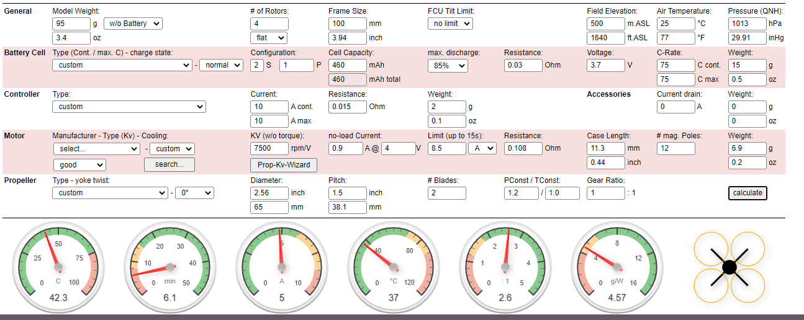
El Cheapo Quad Brushless | Weight | Price | Complexity | Link |  | Performance
Motors | 28 | 840 |  | Motor |  | Hover Throttle | All-up Weight | Efficiency@Max | Hover time | Bat Load | Thrust-Weight | Specific Thrust
Frame | 10 | 105 |  | Rod |  | 45% | 125g | 53.5% | 6.1min | 42.3C | 2.6:1 | 4.57 g/W
FC | 8 | 500 |  | FC
Receiver | 3 | 300 |  | Rec
Flow Deck | 2 |  |  | Flow
Battery |  | 235 |  | Bat
Props | 4 | 55 |  | Prop
ESC\Mosfet Board | 24 | 360 |  | ESC
Arduino + Transceiver | 11 | 45 |  | Telem
Wires + Misc | 5
Total | 95 | 2440 | 40/50
Including Battery | 125

Big Money Hex | Weight | Price | Complexity | Link |  | Performance
Motors | 17.5 |  |  | Motor |  | Hover Throttle | All-up Weight | Efficiency@Max | Hover time | Bat Load | Thrust-Weight | Specific Thrust
Frame | 15 | 105 |  | Rod |  | 70% | 76g | 30% | 4min | 25C | 1.5:1 | 3.76 g/W
FC | 11 | 2700 |  | FC
Receiver | 3 | 300 |  | Rec
Flow Deck | 2 |  |  | Flow
Battery |  | 173 |  | Bat
Props | 6 | 110 |  | Prop
ESC\Mosfet Board | 2 | 180 |  | Mos
Wires + Misc | 5 | 31 |  | 5V
Total | 61.5 | 3599 | 35/50
Including Battery | 75.5

Big Money Quad | Weight | Price | Complexity | Link |  | Performance
Motors | 12 |  |  | Motor |  | Hover Throttle | All-up Weight | Efficiency@Max | Hover time | Bat Load | Thrust-Weight | Specific Thrust
Frame | 10 | 105 |  | Rod |  | 84% | 63g | 30.6% | 4min | 17C | 1.2:1 | 3.15 g/W
FC | 11 | 2700 |  | FC
Receiver | 3 | 300 |  | Rec
Flow Deck | 2 |  |  | Flow
Battery |  | 173 |  | Bat
Props | 4 | 55 |  | Prop
ESC\Mosfet Board | 2 | 180 |  | Mos
Wires + Misc | 5 | 31 |  | 5V
Total | 49 | 3544 | 33/50
Including Battery | 63

Big Money Quad Brushless | Weight | Price | Complexity | Link |  | Performance
Motors | 28 | 840 |  | Motor |  | Hover Throttle | All-up Weight | Efficiency@Max | Hover time | Bat Load | Thrust-Weight | Specific Thrust
Frame | 10 | 105 |  | Rod |  | 43% | 117g | 53.5% | 6.7min | 42.3C | 2.8:1 | 4.67 g/W
FC | 11 | 2700 |  | FC
Receiver | 3 | 300 |  | Rec
Flow Deck | 2 |  |  | Flow
Battery |  | 235 |  | Bat
Props | 4 | 55 |  | Prop
ESC\Mosfet Board | 24 | 360 |  | ESC
Wires + Misc | 5
Total | 87 | 4595 | 31/50
Including Battery | 117

System | Price | Weight excl battery | Flight time | Throttle | Complexity | Recommend?
System 1 - Cheaper hex, brushed | 1444 | 69.5 | 3.3min | 76% | 45/50 | No
System 2 - Cheaper Quad, brushed | 1389 | 57 | 0 | 0 | 42/50 | No
System 3 - Cheaper Quad, brushless | 2440 | 95 | 6.1min | 45% | 40/50 | Yes
System 4 - Expensive hex, brushed | 3599 | 61.5 | 4min | 70% | 35/50 | Maybe, with tweaks
System 5 - Expensive quad, brushed | 3544 | 49 | 4min | 84% | 33/50 | No
System 6 - Expensive quad, brushless | 4595 | 87 | 6.7min | 43% | 31/50 | Yes

Sheet3
Cheaper Quad Brushless 4in1 ESC | Weight | Price | Complexity | Link | 100mm | Performance
Motors | 28 | 840 |  | Motor |  | Hover Throttle | All-up Weight | Efficiency@Max | Hover time | Bat Load | Thrust-Weight | Specific Thrust
Frame | 10 | 105 |  | Rod |  | 40% | 101g | 51.7% | 7.9min | 41C | 3:01:00 | 4.88 g/W
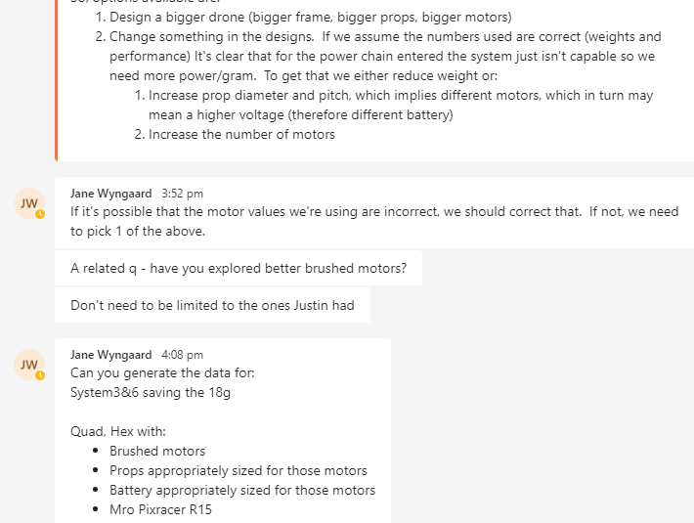
FC | 8 | 400 |  | FC1, FC2
Receiver | 3 | 300 |  | R1, R2
Flow Deck | 2 |  |  | Flow
Battery |  | 310 |  | Bat
Props | 4 | 55 |  | Prop
ESC\Mosfet Board | 6 | 570 |  | ESC
Arduino + Transceiver | 11 | 40 |  | Telem
Wires + Misc | 5
Total | 77 | 2620 | 40/50
Including Battery | 101 |  | sys 3
 |  | 3 & 6 with 18g reduction as per request

Expensive Quad Brushless 4in1 ESC | Weight | Price | Complexity | Link | 100mm | Performance
Motors | 28 | 840 |  | Motor |  | Hover Throttle | All-up Weight | Efficiency@Max | Hover time | Bat Load | Thrust-Weight | Specific Thrust
Frame | 10 | 105 |  | Rod |  | 38% | 93g | 51.5% | 8.8min | 41C | 3.2:1 | 4.99 g/W
FC | 11 | 2700 |  | FC1
Receiver | 3 | 300 |  | R1, R2
Flow Deck | 2 |  |  | Flow
Battery |  | 310 |  | Bat
Props | 4 | 55 |  | Prop
ESC\Mosfet Board | 6 | 570 |  | ESC | 360
Wires + Misc | 5
Total | 69 | 4880 | 31/50
Including Battery | 93 |  | sys 6

hex & quad as per janes request

Expensive Hex bigger brushed motors | Weight | Price | Complexity | Link | 100mm | Performance
Motors | 29.4 | 500 |  | Motor | 29.4 | Hover Throttle | All-up Weight | Efficiency@Max | Hover time | Bat Load | Thrust-Weight | Specific Thrust
Frame | 15 | 105 |  | Rod |  | 61% | 86g | 36% | 4.2min | 29C | 1.6:1 | 4.62 g/W
FC | 11 | 2700 |  | FC1
Receiver | 3 | 300 |  | R1, R2
Flow Deck | 2 |  |  | Flow
Battery |  | 155 |  | Bat
Props | 6 | 110 |  | Prop
ESC\Mosfet Board | 2 | 180 |  | Mos
Wires + Misc | 5 | 31 |  | 5V
Total | 73.4 | 4081 | 35/50
Including Battery | 85.4 |  | my motor

Expensive quad bigger brushed motors | Weight | Price | Complexity | Link | 100mm | Performance
Motors | 20 | 250 |  | Motor | 19.6 | Hover Throttle | All-up Weight | Efficiency@Max | Hover time | Bat Load | Thrust-Weight | Specific Thrust
Frame | 10 | 105 |  | Rod |  | 70% | 69g | 37.6% | 4.7min | 21C | 1.4:1 | 4.10 g/W
FC | 11 | 2700 |  | FC1
Receiver | 3 | 300 |  | R1, R2
Flow Deck | 2 |  |  | Flow
Battery |  | 155 |  | Bat
Props | 4 | 220 |  | Prop
ESC\Mosfet Board | 2 | 180 |  | Mos
Wires + Misc | 5 | 31 |  | 5V
Total | 57 | 3941 | 33/50
Including Battery | 69 |  | my motor

hex & quad with gear reduction

expensive Hex bigger motors & frame/props + geared 3:1 | Weight | Price | Complexity | Link | 150mm | Performance
Motors | 30 | 500 |  | Motor | 29.4 | Hover Throttle | All-up Weight | Efficiency@Max | Hover time | Bat Load | Thrust-Weight | Specific Thrust
Frame | 20 | 105 |  | Rod |  | 56% | 100g | 44.7% | 6.5min | 24C | 2.0:1 | 8.02 g/W
FC | 11 | 2700 |  | FC1
Receiver | 3 | 300 |  | R1, R2
Flow Deck | 2 |  |  | Flow
Battery |  | 155 |  | Bat
Props | 15 | 360 |  | Prop | 14.28
ESC\Mosfet Board | 2 | 180 |  | Mos
Wires + Misc | 5 | 31 |  | 5V
Total | 88 | 4331 | 35/50
Including Battery | 100 |  | my motor

expensive quad bigger motors & frame/props + geared 3:1 | Weight | Price | Complexity | Link | 150mm | Performance
Motors | 20 | 250 |  | Motor | 19.6 | Hover Throttle | All-up Weight | Efficiency@Max | Hover time | Bat Load | Thrust-Weight | Specific Thrust
Frame | 15 | 105 |  | Rod |  | 62% | 80g | 46.4% | 7.4min | 17C | 1.8:1 | 7.26 g/W
FC | 11 | 2700 |  | FC1
Receiver | 3 | 300 |  | R1, R2
Flow Deck | 2 |  |  | Flow
Battery |  | 155 |  | Bat
Props | 10 | 240 |  | Prop | 9.52
ESC\Mosfet Board | 2 | 180 |  | Mos
Wires + Misc | 5 | 31 |  | 5V
Total | 68 | 3961 | 33/50
Including Battery | 80 |  | my motor

expensive hex justin motors geared 1.5:1 | Weight | Price | Complexity | Link | 100mm | Performance
Motors | 17.5 |  |  | Motor |  | Hover Throttle | All-up Weight | Efficiency@Max | Hover time | Bat Load | Thrust-Weight | Specific Thrust
Frame | 15 | 105 |  | Rod |  | 65% | 74g | 45.6% | 6.5min | 18C | 1.6:1 | 5.81 g/W
FC | 11 | 2700 |  | FC1
Receiver | 3 | 300 |  | R1, R2
Flow Deck | 2 |  |  | Flow
Battery |  | 155 |  | Bat
Props | 6 | 330 |  | Prop
ESC\Mosfet Board | 2 | 180 |  | Mos
Wires + Misc | 5 | 31 |  | 5V
Total | 61.5 | 3801 | 35/50
Including Battery | 73.5

expensive quad justin motors geared 1.5:1 | Weight | Price | Complexity | Link | 100mm | Performance
Motors | 12 |  |  | Motor |  | Hover Throttle | All-up Weight | Efficiency@Max | Hover time | Bat Load | Thrust-Weight | Specific Thrust
Frame | 10 | 105 |  | Rod |  | 76% | 61g | 46.7% | 6.8min | 12.5C | 1.3:1 | 5.11 g/W
FC | 11 | 2700 |  | FC1
Receiver | 3 | 300 |  | R1, R2
Flow Deck | 2 |  |  | Flow
Battery |  | 155 |  | Bat
Props | 4 | 220 |  | Prop
ESC\Mosfet Board | 2 | 180 |  | Mos
Wires + Misc | 5 | 31 |  | 5V
Total | 49 | 3691 | 33/50
Including Battery | 61

 |  |  |  |  |  | System | Price | Weight excl battery | Flight time | Throttle | Complexity | Recommend?
 |  |  |  |  |  | Brushless 3-18 | 2620 | 77 | 7.9min | 40% | 0 | Yes
 |  |  |  |  |  | Brushless 6-18 | 4880 | 69 | 8.8min | 38% | 0 | Yes
 |  |  |  |  |  | Hex my brushed | 4081 | 73.4 | 4.2min | 61% | 0 | Maybe, with tweaks
The one justin & I were modifying, bigger brushed motors+ new props | Weight | Price | Complexity | Link |  | Quad my brushed | 3941 | 57 | 4.7min | 70% | 0 | no
Motors | 29.4 | 500 |  | Motor |  | Hex bigger+gear | 4331 | 88 | 6.5min | 56% | 0 | Yes
Frame | 15 | 105 |  | Rod |  | Quad bigger+gear | 3961 | 68 | 7.4min | 62% | 0 | Maybe, with tweaks
FC | 11 | 2700 |  | FC1 |  | Hex justin+gear | 3801 | 61.5 | 6.5min | 65% | 0 | Maybe, with tweaks
Receiver | 3 | 300 |  | R1, R2 |  | Quad justin+gear | 3691 | 49 | 6.8min | 76% | 0 | no
Flow Deck | 2 |  |  | Flow
Battery |  | 155 |  | Bat |  | Quad brushless+big | 0 | 0 | 0 | 0% | 0 | no
Props | 6 | 330 |  |  | 1.62
ESC\Mosfet Board | 2 | 180 |  | Mos
Wires + Misc | 5 | 31 |  | 5V
Total | 73.4 | 4301 | 35/50
Including Battery | 85.4 |  | my motor

Expensive Quad Brushless 4in1 ESC + bigger frame/props | Weight | Price | Complexity | Link | 110mm | Performance
Motors | 28 | 840 |  | Motor |  | Hover Throttle | All-up Weight | Efficiency@Max | Hover time | Bat Load | Thrust-Weight | Specific Thrust
Frame | 12 | 105 |  | Rod |  | 76% | 61g | 46.7% | 6.8min | 12.5C | 1.3:1 | 5.11 g/W
FC | 11 | 2700 |  | FC1
Receiver | 3 | 300 |  | R1, R2
Flow Deck | 2 |  |  | Flow
Battery |  | 310 |  | Bat
Props | 4 | 140 |  | Prop | 9.52
ESC\Mosfet Board | 6 | 570 |  | ESC | 24
Wires + Misc | 5
Total | 71 | 4965 | 31/50
Including Battery | 95 |  | sys 6

Compare
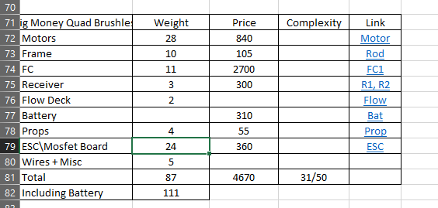
 | System A |  |  | System B |  |  | System C
Components | Weight | Price | Link | Weight | Price | Link | Weight | Price | Link
Motors | 28 | 840 | Brushless Motor | 28 | 840 | Brushless Motor | 29.4 | 500 | Brushed Motor
Frame | 10 | 105 | Rod | 10 | 62 | Rod | 15 | 105 | Rod
FC | 8 | 500 | FC1, FC2 | 11 | 2700 | FC1 | 11 | 2700 | FC1
Receiver | 3 | 300 | R1, R2 | 3 | 300 | R1, R2 | 3 | 300 | R1, R2
Flow Deck | 2 |  | Flow | 2 |  | Flow | 2 |  | Flow
Battery |  | 300 | Bat |  | 300 | Bat |  | 155 | Bat
Props | 4 | 55 | Prop | 4 | 55 | Prop | 6 | 110 | Prop 65mm, 1
ESC\Mosfet Board | 6 | 570 | ESC | 6 | 570 | ESC | 2 | 180 | Mos
Arduino + Telem | 11 | 40 | Telem
Wires + Misc | 5 |  |  | 5 |  |  | 5 | 31 | 5V
Total | 77 | 2710 |  | 69 | 4870 |  | 73.4 | 4081
Including Battery | 101 |  |  | 93 |  |  | 85.4

SYSTEM A |  |  |  |  |  |  |  |  |  | System | Price | Weight excl battery | Flight time | Throttle | Complexity | Recommend?
Hover Throttle | All-up Weight | Efficiency@Max | Hover time | Bat Load (450mAh) | Thrust-Weight | Specific Thrust |  |  |  | A | 2710 | 77 | 7.9min | 40% | 40/50 | Yes
40% | 101g | 51.7% | 7.9min | 41C | 3:01:00 | 4.88 g/W |  |  |  | B | 4870 | 69 | 8.8min | 38% | 31/50 | Yes
 |  |  |  |  |  |  |  |  |  | C | 4081 | 73.4 | 4.2min | 61% | 35/50 | No
SYSTEM B
Hover Throttle | All-up Weight | Efficiency@Max | Hover time | Bat Load (450mAh) | Thrust-Weight | Specific Thrust
38% | 93g | 51.50% | 8.8min | 41C | 3.2:1 | 4.99 g/W

SYSTEM C
Hover Throttle | All-up Weight | Efficiency@Max | Hover time | Bat Load (450mAh) | Thrust-Weight | Specific Thrust
61% | 86g | 36% | 4.2min | 29C | 1.6:1 | 4.62 g/W

